PC TECH CO.
PC TECH COMPANY
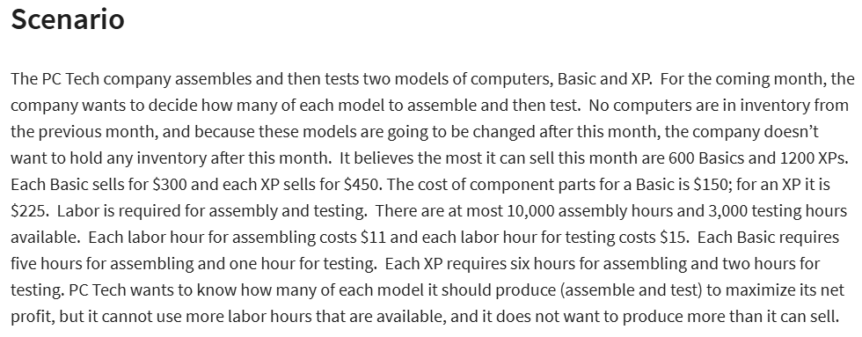
GIVEN

 | basics(x) | XPs(y) |  |  |  | LP MODEL SOLUTION
pieces to be sold | 560 | 1200 | <--variables |  |  | X= | 560
SP of each | $300 | $450 |  |  |  | Y= | 1200
CP of its component parts | $150 | $225 |  |  |  | MAX PROFIT= | $199,600
assembly hours | 5 | 6
testing hours | 1 | 2

 | assemble | test
cost of labor per hour | $11 | $15

Total cost of component parts | $354,000 |  | =SUMPRODUCT(B8:C8,B6:C6)
total cost of testing: | $44,400 |  | =SUMPRODUCT(B6:C6,B10:C10)*C13
total cost of assembling: | $110,000 |  | =SUMPRODUCT(B6:C6,B9:C9)*B13
total cost added: | $508,400
total revenue | $708,000 |  | =SUMPRODUCT(B7:C7,B6:C6)

objective(MAX):
NET PROFIT: | $199,600

constraints | x | y | lhs | sign | rhs
no.of basics | 1 |  | 560 | <= | 600
no.of XPs |  | 1 | 1200 | <= | 1200
assembly hours | 5 | 6 | 10000 | <= | 10000
testing hours | 1 | 2 | 2960 | <= | 3000

